Description of the data
Description of the data:
This data shows a view of the product results presented to our customers after providing their details and product preferences to us. Several products are presented to the customer in the results page at one time, ranked in order of price or appropriateness - depending on what the customer is looking for. Also included in this data is a view of the product(s) the customer purchased and the way in which the customer completed the sale - on the website or talking to a consultant in our call centre. Your task is to review this data and put together a presentation which addresses the following questions:
1. How effective is the iSelect ranking system?
2. What are the key differences between the online and call-centre channels?
3. Create a metric that can be used for comparing providers and products, and show any interesting differences you find using this metric
4. Bonus: Build a predictive model using this data, with the predicted variable being at your discretion. If you don’t have time to build a model, you can discuss what kind of models could be built and what additional data sources may be required.
Please ensure that your presentation does not exceed 15 minutes.

Data
Customer_ID | result_rank | provider_Nm | product_name | dummy_quote_value | Sale_made | Sale_source
37 | 1 | Provider A | Product 64 | 377.09 | 0 |  | Customer based ranking system
37 | 2 | Provider A | Product 3160 | 60.40 | 0 |  | Product based ranking system
37 | 3 | Provider A | Product 56 | 309.12 | 0 |  | Universal ranking system
37 | 4 | Provider A | Product 552 | 224.30 | 0
37 | 5 | Provider A | Product 3292 | 79.15 | 0 |  | Offline training
37 | 6 | Provider A | Product 76 | 401.60 | 0 |  | Online targeting
37 | 7 | Provider B | Product 1412 | 263.22 | 0 |  | AB Testing & Fine tuning
37 | 8 | Provider A | Product 84 | 525.59 | 0
37 | 9 | Provider B | Product 3164 | 556.83 | 0
57 | 1 | Provider A | Product 56 | 229.21 | 0
57 | 2 | Provider A | Product 552 | 63.37 | 1 | online
57 | 3 | Provider A | Product 84 | 651.47 | 0
57 | 4 | Provider B | Product 3532 | 782.26 | 1 | online
57 | 5 | Provider B | Product 1412 | 653.11 | 0
57 | 6 | Provider B | Product 3164 | 698.66 | 0
57 | 7 | Provider B | Product 1412 | 58.23 | 0
57 | 8 | Provider B | Product 3164 | 239.25 | 0
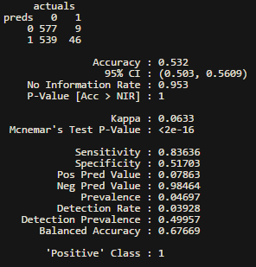
60 | 1 | Provider A | Product 3160 | 174.15 | 0
60 | 2 | Provider A | Product 3292 | 576.06 | 0
60 | 3 | Provider A | Product 64 | 176.73 | 0
60 | 4 | Provider A | Product 56 | 445.28 | 0
60 | 5 | Provider B | Product 3532 | 194.45 | 0
60 | 6 | Provider A | Product 552 | 76.08 | 0
60 | 7 | Provider A | Product 76 | 660.54 | 1 | callcentre
60 | 8 | Provider B | Product 1412 | 186.79 | 0
60 | 9 | Provider A | Product 84 | 60.69 | 0
60 | 10 | Provider B | Product 3164 | 801.48 | 0
113 | 1 | Provider A | Product 3160 | 779.05 | 0
113 | 2 | Provider A | Product 56 | 60.36 | 0
113 | 3 | Provider A | Product 552 | 589.12 | 0
113 | 4 | Provider A | Product 84 | 963.33 | 0
113 | 5 | Provider B | Product 1412 | 726.42 | 0
113 | 6 | Provider B | Product 3164 | 986.99 | 0
176 | 1 | Provider A | Product 56 | 270.89 | 0
176 | 2 | Provider A | Product 552 | 28.54 | 0
176 | 3 | Provider A | Product 68 | 270.98 | 0
176 | 4 | Provider A | Product 60 | 10.47 | 0
176 | 5 | Provider A | Product 88 | 98.49 | 0
176 | 6 | Provider A | Product 84 | 375.51 | 0
176 | 7 | Provider B | Product 1412 | 605.62 | 0
191 | 1 | Provider A | Product 3160 | 953.64 | 0
191 | 2 | Provider A | Product 3292 | 1061.46 | 1 | callcentre
191 | 3 | Provider A | Product 56 | 501.07 | 0
191 | 4 | Provider A | Product 552 | 999.73 | 0
191 | 5 | Provider A | Product 64 | 1429.59 | 0
191 | 6 | Provider A | Product 76 | 1476.19 | 0
191 | 7 | Provider A | Product 84 | 695.74 | 0
191 | 8 | Provider B | Product 3532 | 1478.59 | 0
191 | 9 | Provider B | Product 3164 | 1019.77 | 0
191 | 10 | Provider B | Product 1412 | 851.34 | 0
195 | 1 | Provider A | Product 3160 | 45.30 | 0
195 | 2 | Provider A | Product 56 | 39.72 | 0
195 | 3 | Provider A | Product 552 | 147.74 | 0
195 | 4 | Provider A | Product 84 | 81.28 | 0
195 | 5 | Provider B | Product 1412 | 285.02 | 0
195 | 6 | Provider B | Product 3164 | 370.79 | 0
205 | 1 | Provider B | Product 3164 | 870.43 | 1 | online
205 | 2 | Provider A | Product 3160 | 32.81 | 0
205 | 3 | Provider B | Product 1412 | 159.18 | 0
205 | 4 | Provider A | Product 3292 | 130.92 | 0
205 | 5 | Provider A | Product 56 | MISSING | 0
205 | 6 | Provider A | Product 552 | 390.88 | 0
205 | 7 | Provider A | Product 84 | 109.96 | 0
205 | 8 | Provider B | Product 3164 | 589.75 | 0
205 | 9 | Provider A | Product 84 | 185.53 | 0
205 | 10 | Provider B | Product 3532 | 89.25 | 0
205 | 11 | Provider B | Product 1412 | 963.25 | 0
205 | 12 | Provider B | Product 3164 | 1333.10 | 0
219 | 1 | Provider A | Product 3160 | 1966.41 | 1 | online
219 | 2 | Provider A | Product 56 | 1653.32 | 0
219 | 3 | Provider A | Product 552 | 2358.04 | 0
219 | 4 | Provider B | Product 3164 | 1574.02 | 0
219 | 5 | Provider A | Product 84 | 2394.80 | 0
223 | 1 | Provider B | Product 3532 | MISSING | 1 | online
223 | 2 | Provider B | Product 3164 | 912.01 | 0
223 | 3 | Provider B | Product 1412 | 463.41 | 0
223 | 4 | Provider A | Product 552 | 503.56 | 0
223 | 5 | Provider A | Product 84 | 1092.94 | 0
223 | 6 | Provider B | Product 3532 | 539.38 | 0
223 | 7 | Provider B | Product 1412 | 202.86 | 0
223 | 8 | Provider B | Product 3164 | 859.18 | 0
223 | 9 | Provider B | Product 3164 | 705.40 | 0
223 | 10 | Provider A | Product 84 | 826.30 | 0
234 | 1 | Provider A | Product 3160 | 443.59 | 1 | online
234 | 2 | Provider A | Product 3292 | 405.19 | 0
234 | 3 | Provider A | Product 56 | 329.08 | 0
234 | 4 | Provider A | Product 552 | 629.08 | 1 | callcentre
234 | 5 | Provider A | Product 84 | 295.70 | 0
234 | 6 | Provider B | Product 3532 | 249.66 | 1 | callcentre
234 | 7 | Provider B | Product 1412 | 730.83 | 0
234 | 8 | Provider B | Product 3164 | 21.99 | 1 | online
235 | 1 | Provider A | Product 3160 | 333.53 | 1 | online
235 | 2 | Provider A | Product 3292 | 550.60 | 0
235 | 3 | Provider A | Product 56 | 183.52 | 0
235 | 4 | Provider A | Product 552 | 148.38 | 0
235 | 5 | Provider A | Product 84 | 230.60 | 0
235 | 6 | Provider B | Product 3532 | 241.86 | 0
235 | 7 | Provider B | Product 3164 | 1085.02 | 0
235 | 8 | Provider B | Product 1412 | 1320.37 | 0
235 | 9 | Provider A | Product 84 | 46.03 | 0
236 | 1 | Provider A | Product 3160 | 3.25 | 1 | online
236 | 2 | Provider A | Product 3292 | 121.15 | 0
236 | 3 | Provider A | Product 56 | 412.95 | 0
236 | 4 | Provider A | Product 552 | 532.93 | 0
236 | 5 | Provider A | Product 80 | 253.72 | 0
236 | 6 | Provider A | Product 72 | 293.54 | 0
236 | 7 | Provider B | Product 3532 | 516.33 | 0
236 | 8 | Provider A | Product 84 | 539.51 | 0
236 | 9 | Provider B | Product 1412 | 522.51 | 0
236 | 10 | Provider B | Product 3164 | 539.94 | 0
244 | 1 | Provider A | Product 3160 | 126.40 | 1 | online
244 | 2 | Provider A | Product 56 | 464.54 | 0
244 | 3 | Provider A | Product 552 | 126.24 | 0
244 | 4 | Provider A | Product 84 | 223.85 | 0
244 | 5 | Provider B | Product 1412 | 733.04 | 0
256 | 1 | Provider A | Product 3160 | 637.67 | 1 | online
256 | 2 | Provider A | Product 56 | 795.50 | 0
256 | 3 | Provider A | Product 552 | 194.69 | 0
256 | 4 | Provider A | Product 84 | 174.22 | 0
256 | 5 | Provider B | Product 3164 | 869.97 | 0
256 | 6 | Provider B | Product 1412 | 638.81 | 0
260 | 1 | Provider B | Product 3532 | 663.49 | 1 | online
260 | 2 | Provider A | Product 3160 | 880.64 | 0
260 | 3 | Provider A | Product 3292 | 387.37 | 0
260 | 4 | Provider B | Product 1412 | 249.53 | 0
260 | 5 | Provider A | Product 80 | 13.72 | 1 | online
260 | 6 | Provider A | Product 64 | 937.62 | 0
260 | 7 | Provider A | Product 56 | 27.47 | 0
260 | 8 | Provider A | Product 552 | 352.15 | 0
260 | 9 | Provider A | Product 72 | 688.95 | 0
260 | 10 | Provider A | Product 76 | 460.62 | 0
260 | 11 | Provider B | Product 3164 | 345.86 | 0
260 | 12 | Provider A | Product 84 | 1132.93 | 0
263 | 1 | Provider B | Product 1412 | 2981.89 | 1 | online
263 | 2 | Provider A | Product 64 | 175.82 | 0
263 | 3 | Provider A | Product 56 | 386.29 | 0
263 | 4 | Provider A | Product 552 | 182.26 | 0
263 | 5 | Provider A | Product 76 | 15.30 | 0
263 | 6 | Provider A | Product 84 | 536.36 | 1 | callcentre
263 | 7 | Provider B | Product 1412 | 527.73 | 0
267 | 1 | Provider A | Product 3160 | 415.47 | 1 | online
267 | 2 | Provider A | Product 3292 | 455.02 | 0
267 | 3 | Provider A | Product 56 | 15.88 | 0
267 | 4 | Provider A | Product 552 | 394.44 | 0
267 | 5 | Provider A | Product 64 | 32.23 | 0
267 | 6 | Provider A | Product 76 | 460.83 | 0
267 | 7 | Provider A | Product 84 | 486.42 | 0
267 | 8 | Provider B | Product 3532 | 495.56 | 0
267 | 9 | Provider B | Product 1412 | MISSING | 0
267 | 10 | Provider B | Product 3164 | 213.43 | 0
268 | 1 | Provider A | Product 3160 | 1046.96 | 1 | online
268 | 2 | Provider A | Product 3292 | 458.02 | 0
268 | 3 | Provider A | Product 56 | 1022.00 | 0
268 | 4 | Provider A | Product 552 | 351.44 | 0
268 | 5 | Provider A | Product 84 | 356.34 | 0
268 | 6 | Provider A | Product 84 | 386.93 | 0
268 | 7 | Provider B | Product 1412 | 723.12 | 0
268 | 8 | Provider B | Product 3164 | 207.03 | 0
271 | 1 | Provider A | Product 3160 | 134.56 | 1 | online
271 | 2 | Provider A | Product 3292 | 254.16 | 0
271 | 3 | Provider A | Product 56 | 522.00 | 0
271 | 4 | Provider A | Product 552 | 142.71 | 0
271 | 5 | Provider A | Product 64 | 434.31 | 0
271 | 6 | Provider A | Product 76 | 376.67 | 0
271 | 7 | Provider A | Product 84 | 120.07 | 0
272 | 1 | Provider A | Product 3160 | 451.54 | 1 | online
272 | 2 | Provider A | Product 3292 | 402.59 | 0
272 | 3 | Provider A | Product 56 | 529.05 | 0
272 | 4 | Provider A | Product 552 | 199.14 | 0
272 | 5 | Provider A | Product 84 | 726.49 | 0
272 | 6 | Provider B | Product 3532 | 819.91 | 0
272 | 7 | Provider B | Product 1412 | 83.41 | 0
272 | 8 | Provider B | Product 3164 | 429.71 | 0
272 | 9 | Provider B | Product 3164 | 474.30 | 0
272 | 10 | Provider A | Product 84 | 765.91 | 0
275 | 1 | Provider A | Product 3160 | 142.48 | 1 | online
275 | 2 | Provider A | Product 3292 | 310.66 | 1 | online
275 | 3 | Provider A | Product 56 | 667.62 | 0
275 | 4 | Provider A | Product 552 | 1341.83 | 0
275 | 5 | Provider A | Product 64 | 951.99 | 0
275 | 6 | Provider A | Product 76 | 1185.89 | 0
275 | 7 | Provider A | Product 84 | 666.40 | 0
277 | 1 | Provider A | Product 3160 | 104.85 | 1 | online
277 | 2 | Provider A | Product 3292 | 311.09 | 0
277 | 3 | Provider A | Product 56 | 241.96 | 0
277 | 4 | Provider A | Product 552 | 371.29 | 0
277 | 5 | Provider A | Product 84 | 523.96 | 0
277 | 6 | Provider A | Product 84 | 871.03 | 0
277 | 7 | Provider B | Product 1412 | 311.76 | 0
277 | 8 | Provider B | Product 3164 | 1011.16 | 0
282 | 1 | Provider B | Product 1412 | 335.55 | 1 | online
282 | 2 | Provider B | Product 3164 | 426.66 | 0
288 | 1 | Provider A | Product 3160 | 873.72 | 1 | online
288 | 2 | Provider A | Product 3292 | 448.12 | 0
288 | 3 | Provider A | Product 56 | 901.66 | 0
288 | 4 | Provider A | Product 552 | 598.23 | 0
288 | 5 | Provider A | Product 84 | 616.94 | 1 | callcentre
292 | 1 | Provider A | Product 3160 | 210.59 | 0
292 | 2 | Provider A | Product 3292 | 343.58 | 0
292 | 3 | Provider A | Product 56 | 280.05 | 0
292 | 4 | Provider A | Product 552 | 120.58 | 0
292 | 5 | Provider A | Product 64 | 397.27 | 0
292 | 6 | Provider B | Product 3532 | 5.54 | 0
292 | 7 | Provider A | Product 76 | 301.57 | 0
292 | 8 | Provider B | Product 1412 | 58.10 | 0
292 | 9 | Provider A | Product 84 | 405.99 | 0
292 | 10 | Provider B | Product 3164 | 944.05 | 0
306 | 1 | Provider A | Product 3160 | 294.14 | 0
306 | 2 | Provider A | Product 56 | 301.80 | 0
306 | 3 | Provider A | Product 552 | 28.93 | 0
306 | 4 | Provider A | Product 84 | 555.25 | 0
306 | 5 | Provider B | Product 1412 | 548.16 | 0
306 | 6 | Provider B | Product 3164 | 154.32 | 0
317 | 1 | Provider A | Product 3160 | 1015.35 | 0
317 | 2 | Provider A | Product 3292 | 735.99 | 0
317 | 3 | Provider B | Product 3532 | 909.94 | 0
317 | 4 | Provider A | Product 56 | 315.51 | 0
317 | 5 | Provider A | Product 552 | MISSING | 0
317 | 6 | Provider B | Product 1412 | 519.42 | 0
317 | 7 | Provider B | Product 3164 | 173.45 | 0
317 | 8 | Provider A | Product 84 | 44.57 | 1 | online
317 | 9 | Provider A | Product 76 | 261.56 | 0
317 | 10 | Provider A | Product 84 | 303.88 | 0
319 | 1 | Provider A | Product 3160 | 310.00 | 0
319 | 2 | Provider A | Product 3292 | 488.97 | 0
319 | 3 | Provider A | Product 56 | 205.76 | 0
319 | 4 | Provider A | Product 552 | 694.05 | 0
319 | 5 | Provider A | Product 84 | 188.98 | 0
319 | 6 | Provider B | Product 3532 | 741.71 | 0
319 | 7 | Provider B | Product 1412 | 647.05 | 0
319 | 8 | Provider B | Product 3164 | 1247.04 | 0
319 | 9 | Provider B | Product 3164 | 1827.89 | 0
319 | 10 | Provider B | Product 1412 | 51.82 | 0
320 | 1 | Provider A | Product 3160 | 160.09 | 0
320 | 2 | Provider A | Product 56 | 4.73 | 0
320 | 3 | Provider A | Product 552 | 475.98 | 0
320 | 4 | Provider A | Product 84 | 416.37 | 0
320 | 5 | Provider B | Product 1412 | 249.04 | 0
321 | 1 | Provider B | Product 1412 | 126.64 | 0
321 | 2 | Provider A | Product 3160 | 535.10 | 0
321 | 3 | Provider A | Product 56 | 733.47 | 0
321 | 4 | Provider A | Product 552 | 122.17 | 0
321 | 5 | Provider A | Product 84 | 272.68 | 0
327 | 1 | Provider A | Product 3160 | 296.12 | 0
327 | 2 | Provider A | Product 64 | 300.05 | 0
327 | 3 | Provider A | Product 56 | 257.75 | 0
327 | 4 | Provider A | Product 552 | 632.45 | 0
327 | 5 | Provider A | Product 76 | 417.05 | 0
327 | 6 | Provider A | Product 84 | 488.22 | 0
327 | 7 | Provider B | Product 1412 | 972.79 | 0
327 | 8 | Provider B | Product 3164 | 858.85 | 0
330 | 1 | Provider A | Product 3160 | 1686.02 | 0
330 | 2 | Provider A | Product 64 | 1566.30 | 0
330 | 3 | Provider A | Product 56 | 1415.79 | 1 | callcentre
330 | 4 | Provider A | Product 552 | 1040.42 | 0
330 | 5 | Provider A | Product 76 | 2554.03 | 0
330 | 6 | Provider A | Product 84 | MISSING | 0
330 | 7 | Provider B | Product 1412 | 6974.01 | 1 | callcentre
334 | 1 | Provider B | Product 1412 | 1639.82 | 0
334 | 2 | Provider B | Product 3164 | 809.43 | 0
342 | 1 | Provider A | Product 64 | 188.10 | 0
342 | 2 | Provider A | Product 56 | 551.60 | 0
342 | 3 | Provider A | Product 552 | 529.20 | 0
342 | 4 | Provider A | Product 76 | 224.26 | 0
342 | 5 | Provider B | Product 1412 | 616.87 | 0
342 | 6 | Provider A | Product 84 | 530.94 | 0
342 | 7 | Provider A | Product 84 | 827.22 | 0
366 | 1 | Provider A | Product 3160 | 142.88 | 0
366 | 2 | Provider A | Product 3292 | 280.11 | 0
366 | 3 | Provider A | Product 56 | 461.95 | 0
366 | 4 | Provider A | Product 552 | 361.49 | 0
366 | 5 | Provider A | Product 64 | 190.68 | 0
366 | 6 | Provider A | Product 76 | 429.32 | 0
366 | 7 | Provider A | Product 84 | 222.23 | 0
366 | 8 | Provider B | Product 3532 | 349.92 | 0
366 | 9 | Provider B | Product 3164 | 1063.74 | 0
366 | 10 | Provider B | Product 1412 | 1230.53 | 0
369 | 1 | Provider B | Product 3532 | 188.42 | 0
369 | 2 | Provider B | Product 1412 | 121.88 | 0
369 | 3 | Provider A | Product 3160 | 125.83 | 0
369 | 4 | Provider A | Product 3292 | 99.49 | 0
369 | 5 | Provider A | Product 56 | 246.91 | 0
369 | 6 | Provider A | Product 552 | 138.32 | 0
369 | 7 | Provider A | Product 84 | 236.73 | 0
369 | 8 | Provider B | Product 3164 | 382.20 | 0
369 | 9 | Provider B | Product 3164 | 21.83 | 0
288007 | 1 | Provider A | Product 3160 | 698.12 | 0
288007 | 2 | Provider A | Product 3292 | 737.64 | 0
288007 | 3 | Provider A | Product 56 | 444.64 | 0
288007 | 4 | Provider A | Product 552 | 1555.24 | 0
288007 | 5 | Provider A | Product 64 | 673.57 | 0
288007 | 6 | Provider A | Product 76 | 1537.15 | 0
288007 | 7 | Provider A | Product 84 | 1261.40 | 0
288010 | 1 | Provider A | Product 3160 | 399.34 | 0
288010 | 2 | Provider A | Product 3292 | 905.55 | 0
288010 | 3 | Provider A | Product 56 | 233.23 | 0
288010 | 4 | Provider A | Product 552 | 1177.21 | 0
288010 | 5 | Provider A | Product 84 | 944.48 | 0
288010 | 6 | Provider B | Product 3532 | 976.54 | 0
288010 | 7 | Provider B | Product 1412 | 1757.71 | 0
288010 | 8 | Provider B | Product 3164 | MISSING | 0
288013 | 1 | Provider A | Product 3160 | 280.26 | 0
288013 | 2 | Provider A | Product 64 | 449.69 | 0
288013 | 3 | Provider A | Product 56 | 289.69 | 0
288013 | 4 | Provider A | Product 552 | 445.21 | 0
288013 | 5 | Provider A | Product 76 | 340.41 | 0
288013 | 6 | Provider A | Product 84 | 553.64 | 0
288013 | 7 | Provider B | Product 1412 | 467.13 | 1 | callcentre
288013 | 8 | Provider B | Product 3164 | 87.13 | 0
288024 | 1 | Provider A | Product 3160 | 12.26 | 0
288024 | 2 | Provider A | Product 64 | 555.37 | 0
288024 | 3 | Provider A | Product 56 | 630.62 | 0
288024 | 4 | Provider A | Product 76 | 606.89 | 0
288024 | 5 | Provider A | Product 84 | 618.57 | 0
288024 | 6 | Provider B | Product 1412 | 1722.24 | 0
288024 | 7 | Provider B | Product 3164 | 1684.69 | 0
288028 | 1 | Provider A | Product 3292 | 66.34 | 0
288028 | 2 | Provider A | Product 552 | 334.99 | 0
288028 | 3 | Provider A | Product 3292 | 18.71 | 0
288028 | 4 | Provider B | Product 1412 | 421.37 | 0
288028 | 5 | Provider A | Product 56 | 484.02 | 0
288028 | 6 | Provider A | Product 552 | 407.86 | 0
288028 | 7 | Provider A | Product 84 | 158.49 | 0
288028 | 8 | Provider B | Product 3164 | 401.15 | 0
288030 | 1 | Provider B | Product 3532 | 14.03 | 0
288030 | 2 | Provider B | Product 1412 | 34.87 | 0
288030 | 3 | Provider A | Product 3160 | 458.38 | 0
288030 | 4 | Provider A | Product 3292 | 176.75 | 0
288030 | 5 | Provider A | Product 56 | 330.89 | 0
288030 | 6 | Provider A | Product 552 | 439.83 | 0
288030 | 7 | Provider B | Product 3164 | 488.17 | 0
288030 | 8 | Provider A | Product 84 | 3.46 | 0
288030 | 9 | Provider B | Product 3164 | 376.26 | 0
288030 | 10 | Provider A | Product 84 | 164.05 | 0
288034 | 1 | Provider B | Product 3164 | 3312.48 | 1 | online
288038 | 1 | Provider A | Product 3160 | 1074.18 | 0
288038 | 2 | Provider B | Product 1412 | 726.74 | 0
288038 | 3 | Provider A | Product 56 | 476.08 | 0
288038 | 4 | Provider A | Product 552 | 477.41 | 0
288038 | 5 | Provider A | Product 84 | 436.99 | 0
288042 | 1 | Provider A | Product 3160 | 487.21 | 0
288042 | 2 | Provider A | Product 3292 | 474.93 | 0
288042 | 3 | Provider A | Product 56 | 129.41 | 0
288042 | 4 | Provider A | Product 552 | 254.49 | 0
288042 | 5 | Provider B | Product 1412 | 467.25 | 0
288042 | 6 | Provider A | Product 84 | 406.63 | 0
288042 | 7 | Provider B | Product 3164 | 163.77 | 0
288052 | 1 | Provider B | Product 1412 | 604.14 | 0
288054 | 1 | Provider B | Product 1412 | 68.20 | 0
288054 | 2 | Provider B | Product 3164 | 1487.11 | 0
288054 | 3 | Provider A | Product 3160 | 926.69 | 1 | callcentre
288054 | 4 | Provider A | Product 56 | 1027.09 | 0
288054 | 5 | Provider A | Product 552 | 569.81 | 1 | callcentre
288054 | 6 | Provider A | Product 84 | 794.43 | 0
288077 | 1 | Provider A | Product 3160 | 319.19 | 0
288077 | 2 | Provider A | Product 3292 | MISSING | 0
288077 | 3 | Provider A | Product 56 | 307.62 | 0
288077 | 4 | Provider A | Product 552 | 609.43 | 0
288077 | 5 | Provider A | Product 64 | 475.01 | 0
288077 | 6 | Provider A | Product 76 | 308.95 | 0
288077 | 7 | Provider A | Product 84 | 132.17 | 0
288077 | 8 | Provider B | Product 3164 | 323.70 | 0
288077 | 9 | Provider B | Product 1412 | 365.62 | 0
288077 | 10 | Provider A | Product 0 | 5402.13 | 1 | callcentre
288079 | 1 | Provider B | Product 3532 | 203.66 | 1 | online
288079 | 2 | Provider B | Product 1412 | 267.94 | 0
288079 | 3 | Provider A | Product 56 | 133.96 | 0
288079 | 4 | Provider A | Product 552 | 137.77 | 0
288079 | 5 | Provider B | Product 3164 | 214.25 | 0
288079 | 6 | Provider A | Product 84 | 256.14 | 0
288079 | 7 | Provider B | Product 3164 | 585.91 | 0
288079 | 8 | Provider A | Product 84 | 456.95 | 0
288086 | 1 | Provider B | Product 3532 | 998.01 | 0
288086 | 2 | Provider B | Product 1412 | 542.40 | 0
288086 | 3 | Provider A | Product 3292 | 1096.40 | 0
288086 | 4 | Provider B | Product 3164 | 105.05 | 0
288086 | 5 | Provider A | Product 3160 | 1305.83 | 0
288086 | 6 | Provider A | Product 56 | 1143.36 | 0
288086 | 7 | Provider A | Product 552 | 1059.05 | 0
288086 | 8 | Provider A | Product 84 | 897.08 | 0
288086 | 9 | Provider B | Product 1412 | 805.50 | 0
288086 | 10 | Provider B | Product 3164 | 268.35 | 0
288092 | 1 | Provider A | Product 3160 | 411.94 | 1 | online
288092 | 2 | Provider A | Product 64 | 151.46 | 0
288092 | 3 | Provider A | Product 56 | 238.42 | 0
288092 | 4 | Provider A | Product 552 | 77.33 | 0
288092 | 5 | Provider A | Product 76 | 361.86 | 0
288092 | 6 | Provider A | Product 84 | 514.00 | 0
288092 | 7 | Provider B | Product 1412 | 866.02 | 0
288092 | 8 | Provider B | Product 3164 | 142.23 | 0
288099 | 1 | Provider A | Product 3160 | 451.08 | 0
288099 | 2 | Provider A | Product 3292 | 59.26 | 0
288099 | 3 | Provider A | Product 56 | 138.05 | 0
288099 | 4 | Provider A | Product 552 | 570.56 | 0
288099 | 5 | Provider B | Product 3532 | 227.79 | 0
288099 | 6 | Provider A | Product 84 | 690.11 | 0
288099 | 7 | Provider B | Product 1412 | 62.12 | 0
288099 | 8 | Provider B | Product 3164 | 491.32 | 0
288100 | 1 | Provider B | Product 1412 | 325.09 | 0
288100 | 2 | Provider A | Product 64 | 242.91 | 0
288100 | 3 | Provider A | Product 56 | 417.52 | 0
288100 | 4 | Provider A | Product 552 | 406.14 | 0
288100 | 5 | Provider A | Product 76 | 491.63 | 0
288100 | 6 | Provider A | Product 68 | 211.95 | 0
288100 | 7 | Provider A | Product 60 | 425.39 | 0
288100 | 8 | Provider A | Product 88 | 199.60 | 0
288100 | 9 | Provider A | Product 84 | 296.20 | 0
288102 | 1 | Provider A | Product 552 | 554.74 | 0
288102 | 2 | Provider A | Product 80 | 122.08 | 1 | callcentre
288102 | 3 | Provider A | Product 64 | 264.45 | 0
288102 | 4 | Provider A | Product 56 | 554.28 | 0
288102 | 5 | Provider A | Product 72 | 295.19 | 0
288102 | 6 | Provider A | Product 76 | 140.52 | 0
288102 | 7 | Provider B | Product 3532 | 163.62 | 0
288102 | 8 | Provider A | Product 84 | 53.89 | 0
288102 | 9 | Provider B | Product 1412 | 819.28 | 0
288102 | 10 | Provider B | Product 3164 | 605.00 | 0
288107 | 1 | Provider A | Product 3160 | 311.48 | 0
288107 | 2 | Provider A | Product 56 | 147.50 | 0
288107 | 3 | Provider A | Product 552 | 361.23 | 0
288107 | 4 | Provider A | Product 84 | 411.47 | 0
288107 | 5 | Provider B | Product 1412 | 356.17 | 0
288107 | 6 | Provider B | Product 3164 | 686.45 | 0
288109 | 1 | Provider A | Product 56 | 153.70 | 0
288109 | 2 | Provider A | Product 552 | 8.06 | 0
288109 | 3 | Provider A | Product 60 | 69.76 | 0
288109 | 4 | Provider A | Product 88 | 250.04 | 0
288109 | 5 | Provider A | Product 68 | 184.82 | 0
288109 | 6 | Provider A | Product 84 | 219.85 | 0
288109 | 7 | Provider B | Product 1412 | 198.17 | 0
288114 | 1 | Provider A | Product 3160 | 223.48 | 0
288114 | 2 | Provider A | Product 56 | 4.26 | 0
288114 | 3 | Provider A | Product 552 | 4285.37 | 0
288114 | 4 | Provider A | Product 84 | 984.14 | 0
288114 | 5 | Provider A | Product 76 | 1546.72 | 0
288114 | 6 | Provider A | Product 84 | 4462.65 | 0
288130 | 1 | Provider B | Product 1412 | 1208.51 | 1 | online
288130 | 2 | Provider A | Product 0 | 6008.53 | 1 | callcentre
288131 | 1 | Provider A | Product 3160 | 242.02 | 0
288131 | 2 | Provider A | Product 56 | 22.81 | 0
288131 | 3 | Provider A | Product 552 | 278.18 | 0
288131 | 4 | Provider A | Product 84 | MISSING | 0
288131 | 5 | Provider B | Product 1412 | 224.09 | 0
288131 | 6 | Provider B | Product 3164 | 1056.52 | 0
288142 | 1 | Provider A | Product 3160 | 518.74 | 0
288142 | 2 | Provider A | Product 56 | 53.87 | 0
288142 | 3 | Provider A | Product 552 | 128.56 | 0
288142 | 4 | Provider A | Product 84 | 621.05 | 0
288142 | 5 | Provider B | Product 1412 | 657.46 | 0
288142 | 6 | Provider B | Product 3164 | MISSING | 0
288148 | 1 | Provider A | Product 64 | 125.04 | 0
288148 | 2 | Provider A | Product 56 | 408.41 | 1 | online
288148 | 3 | Provider B | Product 1412 | 373.81 | 0
288148 | 4 | Provider A | Product 552 | 405.71 | 0
288148 | 5 | Provider A | Product 76 | 12.91 | 0
288148 | 6 | Provider A | Product 84 | 101.30 | 0
288148 | 7 | Provider B | Product 3164 | 221.17 | 0
288148 | 8 | Provider A | Product 84 | 348.39 | 0
288162 | 1 | Provider A | Product 3160 | 1219.09 | 0
288162 | 2 | Provider A | Product 56 | 121.03 | 0
288162 | 3 | Provider A | Product 552 | 217.29 | 0
288162 | 4 | Provider A | Product 84 | 77.18 | 0
288162 | 5 | Provider B | Product 1412 | 1026.91 | 0
288163 | 1 | Provider A | Product 3160 | 800.65 | 0
288163 | 2 | Provider A | Product 3292 | 437.00 | 0
288163 | 3 | Provider A | Product 64 | 637.90 | 0
288163 | 4 | Provider A | Product 56 | 553.93 | 1 | callcentre
288163 | 5 | Provider A | Product 552 | 156.27 | 0
288163 | 6 | Provider A | Product 76 | 30.69 | 0
288163 | 7 | Provider A | Product 84 | 420.68 | 0
288163 | 8 | Provider B | Product 3532 | 137.76 | 0
288163 | 9 | Provider B | Product 3164 | 1234.85 | 0
288163 | 10 | Provider B | Product 1412 | 202.26 | 0
288167 | 1 | Provider A | Product 3160 | 35.68 | 0
288167 | 2 | Provider A | Product 80 | 83.29 | 0
288167 | 3 | Provider A | Product 64 | 30.67 | 0
288167 | 4 | Provider A | Product 56 | 553.59 | 0
288167 | 5 | Provider A | Product 552 | 294.97 | 0
288167 | 6 | Provider A | Product 72 | 525.86 | 0
288167 | 7 | Provider A | Product 76 | 434.90 | 0
288167 | 8 | Provider A | Product 84 | 707.52 | 0
288167 | 9 | Provider B | Product 1412 | 808.27 | 0
288167 | 10 | Provider B | Product 3164 | 312.29 | 0
288171 | 1 | Provider A | Product 3160 | 298.01 | 0
288171 | 2 | Provider A | Product 3292 | 591.74 | 0
288171 | 3 | Provider A | Product 56 | MISSING | 0
288171 | 4 | Provider A | Product 552 | 376.68 | 0
288171 | 5 | Provider A | Product 84 | 565.10 | 0
288171 | 6 | Provider A | Product 552 | 38.90 | 0
288171 | 7 | Provider A | Product 72 | 513.27 | 0
288171 | 8 | Provider A | Product 76 | 212.29 | 0
288171 | 9 | Provider A | Product 84 | 151.66 | 0
288171 | 10 | Provider B | Product 3164 | 511.71 | 1 | callcentre
288172 | 1 | Provider A | Product 3160 | 21.03 | 0
288172 | 2 | Provider A | Product 64 | 723.64 | 0
288172 | 3 | Provider A | Product 56 | 814.14 | 0
288172 | 4 | Provider A | Product 552 | 386.36 | 0
288172 | 5 | Provider A | Product 76 | 362.56 | 0
288172 | 6 | Provider A | Product 84 | 693.48 | 0
288172 | 7 | Provider B | Product 1412 | 1316.94 | 0
288172 | 8 | Provider B | Product 3164 | 1414.03 | 0
288184 | 1 | Provider A | Product 552 | 115.36 | 0
288184 | 2 | Provider A | Product 3292 | 241.60 | 1 | callcentre
288184 | 3 | Provider A | Product 3160 | 945.20 | 0
288184 | 4 | Provider B | Product 3164 | 940.95 | 0
288184 | 5 | Provider A | Product 3292 | 950.18 | 0
288184 | 6 | Provider A | Product 56 | 346.04 | 0
288184 | 7 | Provider A | Product 552 | 224.13 | 0
288184 | 8 | Provider A | Product 84 | 1034.74 | 0
288196 | 1 | Provider A | Product 3160 | 2063.20 | 0
288196 | 2 | Provider A | Product 3292 | 1801.25 | 0
288196 | 3 | Provider A | Product 64 | 1297.08 | 1 | online
288196 | 4 | Provider A | Product 56 | 1627.41 | 0
288196 | 5 | Provider A | Product 552 | 1074.32 | 0
288196 | 6 | Provider A | Product 76 | 1313.96 | 0
288196 | 7 | Provider A | Product 84 | 513.22 | 0
288197 | 1 | Provider B | Product 3532 | 72.70 | 0
288197 | 2 | Provider B | Product 1412 | 318.77 | 1 | online
288197 | 3 | Provider A | Product 3160 | 340.31 | 0
288197 | 4 | Provider A | Product 3292 | 94.50 | 0
288197 | 5 | Provider A | Product 56 | 134.76 | 0
288197 | 6 | Provider A | Product 552 | 293.39 | 0
288197 | 7 | Provider B | Product 3164 | 244.23 | 0
288197 | 8 | Provider A | Product 84 | 654.86 | 0
288222 | 1 | Provider A | Product 3160 | 480.88 | 0
288222 | 2 | Provider A | Product 80 | 981.44 | 0
288222 | 3 | Provider A | Product 64 | 640.08 | 0
288222 | 4 | Provider B | Product 1412 | 187.56 | 0
288222 | 5 | Provider A | Product 56 | 396.37 | 0
288222 | 6 | Provider A | Product 552 | 246.43 | 0
288222 | 7 | Provider A | Product 72 | 641.65 | 0
288222 | 8 | Provider A | Product 76 | 229.28 | 0
288222 | 9 | Provider B | Product 3164 | 1063.15 | 0
288222 | 10 | Provider A | Product 84 | 1146.17 | 0
288223 | 1 | Provider B | Product 3532 | 61.68 | 0
288223 | 2 | Provider A | Product 3160 | 49.21 | 0
288223 | 3 | Provider B | Product 1412 | 166.90 | 0
288223 | 4 | Provider A | Product 3292 | 224.90 | 0
288223 | 5 | Provider A | Product 56 | 43.63 | 0
288223 | 6 | Provider A | Product 552 | 321.35 | 0
288223 | 7 | Provider A | Product 84 | 155.71 | 0
288223 | 8 | Provider B | Product 3164 | 410.95 | 0
288233 | 1 | Provider B | Product 1412 | 358.89 | 0
288233 | 2 | Provider B | Product 3164 | 279.59 | 0
288235 | 1 | Provider A | Product 64 | 71.26 | 0
288235 | 2 | Provider A | Product 3160 | 58.63 | 0
288235 | 3 | Provider A | Product 56 | 115.41 | 0
288235 | 4 | Provider A | Product 552 | 255.38 | 0
288235 | 5 | Provider A | Product 76 | 84.15 | 0
288235 | 6 | Provider A | Product 84 | 561.27 | 0
288235 | 7 | Provider B | Product 1412 | 210.30 | 0
288235 | 8 | Provider B | Product 3164 | 41.62 | 0
288265 | 1 | Provider B | Product 3532 | 61.80 | 0
288265 | 2 | Provider B | Product 1412 | 285.91 | 1 | online
288265 | 3 | Provider A | Product 3160 | 1.70 | 0
288265 | 4 | Provider A | Product 3292 | 56.79 | 0
288265 | 5 | Provider B | Product 3164 | 507.61 | 0
288265 | 6 | Provider A | Product 56 | 521.80 | 0
288265 | 7 | Provider A | Product 552 | 469.11 | 0
288265 | 8 | Provider A | Product 64 | 213.77 | 0
288265 | 9 | Provider A | Product 76 | 202.96 | 0
288265 | 10 | Provider A | Product 84 | 303.20 | 0
288270 | 1 | Provider A | Product 3160 | 197.41 | 0
288270 | 2 | Provider A | Product 56 | 17.95 | 0
288270 | 3 | Provider A | Product 552 | 228.87 | 0
288270 | 4 | Provider A | Product 3292 | 219.53 | 1 | online
288270 | 5 | Provider A | Product 84 | 110.81 | 0
288270 | 6 | Provider B | Product 3164 | 92.19 | 0
288277 | 1 | Provider A | Product 3160 | 104.59 | 0
288277 | 2 | Provider B | Product 1412 | 306.95 | 0
288277 | 3 | Provider A | Product 64 | 609.31 | 0
288277 | 4 | Provider A | Product 56 | 981.39 | 0
288277 | 5 | Provider A | Product 552 | 929.84 | 0
288277 | 6 | Provider A | Product 76 | 678.70 | 0
288277 | 7 | Provider B | Product 3164 | 856.77 | 0
288277 | 8 | Provider A | Product 84 | 137.11 | 0
288279 | 1 | Provider B | Product 1412 | 287.03 | 0
288279 | 2 | Provider A | Product 3160 | 258.91 | 0
288279 | 3 | Provider A | Product 64 | 182.41 | 0
288279 | 4 | Provider A | Product 56 | 136.64 | 0
288279 | 5 | Provider A | Product 552 | 269.23 | 1 | online
288279 | 6 | Provider A | Product 76 | 9.24 | 0
288279 | 7 | Provider A | Product 84 | 249.83 | 0
288279 | 8 | Provider B | Product 3164 | 326.74 | 0
288307 | 1 | Provider A | Product 3160 | 394.62 | 0
288307 | 2 | Provider A | Product 3292 | 457.81 | 0
288307 | 3 | Provider A | Product 56 | 309.88 | 0
288307 | 4 | Provider A | Product 552 | 45.58 | 0
288307 | 5 | Provider A | Product 84 | 153.20 | 0
288307 | 6 | Provider B | Product 3532 | 96.00 | 0
288307 | 7 | Provider B | Product 1412 | 346.26 | 0
288307 | 8 | Provider B | Product 3164 | 1102.44 | 0
288307 | 9 | Provider A | Product 76 | 448.54 | 0
288307 | 10 | Provider A | Product 84 | 399.54 | 0
288308 | 1 | Provider A | Product 3160 | 209.11 | 0
288308 | 2 | Provider A | Product 56 | 4.85 | 1 | online
288308 | 3 | Provider A | Product 552 | 337.73 | 0
288308 | 4 | Provider A | Product 84 | 299.55 | 0
288308 | 5 | Provider B | Product 1412 | 14.49 | 0
288308 | 6 | Provider B | Product 3164 | 353.38 | 0
288320 | 1 | Provider B | Product 3532 | 14.07 | 1 | online
288320 | 2 | Provider A | Product 3160 | 226.20 | 0
288320 | 3 | Provider A | Product 3292 | 103.19 | 0
288320 | 4 | Provider A | Product 64 | 72.98 | 0
288320 | 5 | Provider B | Product 1412 | 217.78 | 0
288320 | 6 | Provider A | Product 56 | 117.13 | 0
288320 | 7 | Provider A | Product 552 | 58.32 | 0
288320 | 8 | Provider A | Product 76 | 294.40 | 1 | online
288320 | 9 | Provider A | Product 84 | 298.65 | 0
288320 | 10 | Provider B | Product 3164 | 120.50 | 0
288321 | 1 | Provider B | Product 1412 | 590.04 | 1 | online
288321 | 2 | Provider B | Product 3164 | 189.03 | 0
288321 | 3 | Provider A | Product 3160 | 1102.04 | 0
288321 | 4 | Provider A | Product 64 | 461.06 | 0
288321 | 5 | Provider A | Product 56 | 389.16 | 0
288321 | 6 | Provider A | Product 552 | 1209.30 | 0
288321 | 7 | Provider A | Product 76 | 1338.15 | 0
288321 | 8 | Provider A | Product 84 | 598.27 | 0
288331 | 1 | Provider A | Product 3160 | 23.68 | 0
288331 | 2 | Provider A | Product 3292 | 423.34 | 0
288331 | 3 | Provider A | Product 56 | 241.51 | 0
288331 | 4 | Provider A | Product 552 | 399.44 | 0
288331 | 5 | Provider A | Product 64 | 273.14 | 0
288331 | 6 | Provider B | Product 3532 | 503.40 | 0
288331 | 7 | Provider A | Product 76 | 178.55 | 0
288331 | 8 | Provider B | Product 1412 | 582.47 | 0
288331 | 9 | Provider A | Product 84 | 108.26 | 0
288331 | 10 | Provider B | Product 3164 | 167.21 | 0
288337 | 1 | Provider A | Product 3160 | 384.24 | 0
288337 | 2 | Provider A | Product 3292 | 343.39 | 0
288337 | 3 | Provider A | Product 64 | 10.94 | 0
288337 | 4 | Provider A | Product 56 | 246.37 | 0
288337 | 5 | Provider A | Product 552 | 270.96 | 0
288337 | 6 | Provider A | Product 76 | 256.85 | 0
288337 | 7 | Provider A | Product 84 | 128.53 | 0
288338 | 1 | Provider A | Product 3160 | 307.60 | 0
288338 | 2 | Provider A | Product 3292 | 139.55 | 0
288338 | 3 | Provider A | Product 552 | 115.64 | 0
288338 | 4 | Provider A | Product 64 | 144.49 | 0
288338 | 5 | Provider A | Product 56 | 361.43 | 0
288338 | 6 | Provider A | Product 76 | 44.85 | 0
288338 | 7 | Provider A | Product 84 | 456.52 | 0
288338 | 8 | Provider A | Product 84 | 351.47 | 0
288338 | 9 | Provider B | Product 1412 | 694.37 | 0
288338 | 10 | Provider A | Product 0 | 338.66 | 0
288347 | 1 | Provider A | Product 3292 | 437.12 | 0
288347 | 2 | Provider A | Product 552 | 478.43 | 0
288347 | 3 | Provider A | Product 56 | 95.51 | 0
288347 | 4 | Provider A | Product 552 | 707.63 | 0
288347 | 5 | Provider A | Product 84 | 79.78 | 0
288357 | 1 | Provider B | Product 3532 | 280.33 | 0
288357 | 2 | Provider A | Product 3160 | 529.20 | 0
288357 | 3 | Provider B | Product 1412 | 450.21 | 0
288357 | 4 | Provider A | Product 56 | 540.29 | 0
288357 | 5 | Provider A | Product 552 | 710.76 | 0
288357 | 6 | Provider A | Product 84 | 322.27 | 0
288357 | 7 | Provider B | Product 3164 | 285.60 | 0
288378 | 1 | Provider A | Product 3160 | 26.95 | 0
288378 | 2 | Provider A | Product 56 | 284.34 | 0
288378 | 3 | Provider A | Product 552 | 244.54 | 0
288378 | 4 | Provider A | Product 84 | 0.87 | 0
288378 | 5 | Provider B | Product 1412 | 344.50 | 0
288378 | 6 | Provider B | Product 3164 | 764.28 | 0
288391 | 1 | Provider B | Product 1412 | 210.18 | 0
288393 | 1 | Provider A | Product 3160 | 299.09 | 0
288393 | 2 | Provider A | Product 3292 | 516.47 | 0
288393 | 3 | Provider A | Product 64 | 494.85 | 0
288393 | 4 | Provider A | Product 56 | 159.03 | 1 | online
288393 | 5 | Provider A | Product 552 | 503.59 | 0
288393 | 6 | Provider A | Product 76 | 36.70 | 0
288393 | 7 | Provider A | Product 84 | 93.89 | 0
288393 | 8 | Provider B | Product 1412 | 951.39 | 0
288393 | 9 | Provider B | Product 3164 | 1374.00 | 0
288394 | 1 | Provider A | Product 3160 | 499.34 | 0
288394 | 2 | Provider A | Product 3292 | 584.35 | 0
288394 | 3 | Provider A | Product 56 | 729.23 | 0
288394 | 4 | Provider A | Product 552 | 658.02 | 0
288394 | 5 | Provider A | Product 64 | 179.56 | 0
288394 | 6 | Provider A | Product 76 | 41.64 | 0
288394 | 7 | Provider A | Product 84 | 194.26 | 0
288394 | 8 | Provider B | Product 3164 | 135.15 | 0
288394 | 9 | Provider A | Product 84 | 588.53 | 0
288394 | 10 | Provider B | Product 3164 | 86.46 | 0
288406 | 1 | Provider A | Product 3160 | 331.59 | 0
288406 | 2 | Provider A | Product 3292 | 667.42 | 0
288406 | 3 | Provider A | Product 56 | 883.60 | 1 | callcentre
288406 | 4 | Provider A | Product 552 | 715.15 | 0
288406 | 5 | Provider B | Product 1412 | 498.26 | 0
288406 | 6 | Provider A | Product 84 | 770.23 | 0
288406 | 7 | Provider B | Product 3164 | 1029.35 | 0
288406 | 8 | Provider B | Product 3164 | 449.74 | 0
288421 | 1 | Provider A | Product 3160 | 491.68 | 0
288421 | 2 | Provider A | Product 3292 | 178.17 | 0
288421 | 3 | Provider A | Product 56 | 1097.41 | 0
288421 | 4 | Provider A | Product 552 | 1246.75 | 0
288421 | 5 | Provider A | Product 84 | 2115.53 | 0
288421 | 6 | Provider B | Product 3532 | 1143.65 | 0
288421 | 7 | Provider B | Product 3164 | 302.72 | 0
288421 | 8 | Provider B | Product 1412 | 4350.66 | 0
288441 | 1 | Provider A | Product 56 | 45.41 | 0
288441 | 2 | Provider A | Product 68 | 1142.39 | 0
288441 | 3 | Provider A | Product 552 | 617.75 | 0
288441 | 4 | Provider A | Product 60 | 1148.50 | 0
288441 | 5 | Provider A | Product 88 | 778.08 | 0
288441 | 6 | Provider A | Product 84 | 34.08 | 0
288441 | 7 | Provider B | Product 1412 | 1939.26 | 0
288449 | 1 | Provider A | Product 3160 | 187.51 | 1 | online
288449 | 2 | Provider A | Product 64 | 220.69 | 0
288449 | 3 | Provider A | Product 56 | 287.24 | 0
288449 | 4 | Provider A | Product 552 | 520.65 | 0
288449 | 5 | Provider A | Product 76 | 48.57 | 0
288449 | 6 | Provider A | Product 84 | 75.53 | 0
288449 | 7 | Provider B | Product 3532 | 687.66 | 0
288449 | 8 | Provider B | Product 1412 | 519.68 | 0
288449 | 9 | Provider B | Product 3164 | 616.42 | 0
288452 | 1 | Provider A | Product 3160 | 267.40 | 0
288452 | 2 | Provider A | Product 64 | 100.08 | 0
288452 | 3 | Provider A | Product 56 | 288.86 | 0
288452 | 4 | Provider A | Product 552 | 424.06 | 0
288452 | 5 | Provider A | Product 76 | 400.82 | 0
288452 | 6 | Provider A | Product 84 | 71.03 | 0
288452 | 7 | Provider B | Product 1412 | 457.20 | 1 | online
288452 | 8 | Provider B | Product 3164 | 425.60 | 0
288461 | 1 | Provider A | Product 3160 | 348.82 | 0
288461 | 2 | Provider A | Product 64 | 707.36 | 0
288461 | 3 | Provider A | Product 56 | 476.16 | 0
288461 | 4 | Provider A | Product 552 | 518.01 | 0
288461 | 5 | Provider B | Product 1412 | 51.18 | 0
288461 | 6 | Provider A | Product 76 | 693.80 | 0
288461 | 7 | Provider A | Product 84 | 508.48 | 0
288475 | 1 | Provider B | Product 3532 | 148.87 | 0
288475 | 2 | Provider A | Product 3160 | 77.26 | 0
288475 | 3 | Provider A | Product 3292 | 559.41 | 0
288475 | 4 | Provider B | Product 1412 | 468.17 | 0
288475 | 5 | Provider A | Product 56 | 103.85 | 0
288475 | 6 | Provider A | Product 552 | 704.39 | 0
288475 | 7 | Provider A | Product 64 | 443.57 | 1 | online
288475 | 8 | Provider A | Product 76 | 263.51 | 0
288475 | 9 | Provider B | Product 3164 | 747.51 | 0
288475 | 10 | Provider A | Product 84 | 228.37 | 0
288479 | 1 | Provider A | Product 3160 | 112.38 | 0
288479 | 2 | Provider A | Product 3292 | 2.81 | 0
288479 | 3 | Provider A | Product 56 | 361.06 | 0
288479 | 4 | Provider A | Product 552 | 609.67 | 0
288479 | 5 | Provider A | Product 84 | 79.25 | 0
288479 | 6 | Provider B | Product 3532 | 765.83 | 0
288479 | 7 | Provider B | Product 1412 | 247.60 | 0
288479 | 8 | Provider B | Product 3164 | 301.44 | 0
288499 | 1 | Provider A | Product 56 | 689.72 | 0
288499 | 2 | Provider A | Product 552 | 165.16 | 0
288499 | 3 | Provider A | Product 60 | 366.27 | 0
288499 | 4 | Provider A | Product 88 | 368.84 | 0
288499 | 5 | Provider A | Product 68 | 662.77 | 0
288499 | 6 | Provider A | Product 84 | 517.30 | 0
288499 | 7 | Provider B | Product 1412 | 87.57 | 0
288500 | 1 | Provider A | Product 3160 | 355.70 | 0
288500 | 2 | Provider A | Product 56 | 139.80 | 0
288500 | 3 | Provider A | Product 552 | 291.61 | 0
288500 | 4 | Provider A | Product 84 | 365.86 | 0
288500 | 5 | Provider B | Product 1412 | 205.15 | 0
288500 | 6 | Provider B | Product 3164 | 172.73 | 0
288500 | 7 | Provider B | Product 3164 | 20.19 | 0
288500 | 8 | Provider A | Product 84 | 795.31 | 0
288541 | 1 | Provider A | Product 3160 | 339.15 | 0
288541 | 2 | Provider A | Product 64 | 46.92 | 0
288541 | 3 | Provider A | Product 56 | 321.75 | 0
288541 | 4 | Provider A | Product 552 | 39.74 | 0
288541 | 5 | Provider A | Product 76 | 366.25 | 0
288541 | 6 | Provider A | Product 84 | 905.09 | 0
288541 | 7 | Provider B | Product 1412 | 664.90 | 0
288541 | 8 | Provider B | Product 3164 | 173.85 | 0
288543 | 1 | Provider B | Product 1412 | 497.71 | 0
288543 | 2 | Provider B | Product 3164 | 288.87 | 0
288544 | 1 | Provider B | Product 3532 | 208.77 | 0
288544 | 2 | Provider A | Product 3292 | 485.68 | 0
288544 | 3 | Provider B | Product 1412 | 366.66 | 0
288544 | 4 | Provider A | Product 552 | 608.33 | 0
288544 | 5 | Provider B | Product 3164 | 413.90 | 0
288545 | 1 | Provider B | Product 3532 | 242.88 | 0
288545 | 2 | Provider A | Product 3160 | 230.96 | 0
288545 | 3 | Provider B | Product 1412 | 136.20 | 0
288545 | 4 | Provider A | Product 3292 | 456.85 | 0
288545 | 5 | Provider A | Product 56 | 179.74 | 0
288545 | 6 | Provider A | Product 552 | 317.07 | 0
288545 | 7 | Provider A | Product 84 | 45.47 | 1 | online
288545 | 8 | Provider B | Product 3164 | 72.53 | 0
288559 | 1 | Provider B | Product 3532 | 369.81 | 0
288559 | 2 | Provider B | Product 1412 | 910.27 | 0
288559 | 3 | Provider B | Product 3164 | 370.04 | 0
288559 | 4 | Provider A | Product 3160 | 243.73 | 0
288559 | 5 | Provider A | Product 3292 | 276.45 | 0
288559 | 6 | Provider A | Product 56 | 411.02 | 0
288559 | 7 | Provider A | Product 552 | 140.19 | 0
288559 | 8 | Provider A | Product 64 | 238.63 | 0
288559 | 9 | Provider A | Product 76 | 728.26 | 0
288559 | 10 | Provider A | Product 84 | 38.02 | 0
288561 | 1 | Provider A | Product 3160 | 547.75 | 1 | online
288561 | 2 | Provider A | Product 3292 | 1051.28 | 0
288561 | 3 | Provider B | Product 3164 | 443.20 | 0
288561 | 4 | Provider A | Product 64 | 160.56 | 0
288561 | 5 | Provider A | Product 56 | 122.53 | 0
288561 | 6 | Provider A | Product 552 | 534.65 | 0
288561 | 7 | Provider A | Product 76 | 642.56 | 0
288561 | 8 | Provider A | Product 84 | 1009.36 | 0
288574 | 1 | Provider A | Product 3160 | 260.90 | 0
288574 | 2 | Provider A | Product 3292 | 497.97 | 0
288574 | 3 | Provider A | Product 56 | 330.11 | 0
288574 | 4 | Provider A | Product 552 | 277.19 | 0
288574 | 5 | Provider A | Product 84 | 228.29 | 0
288574 | 6 | Provider B | Product 3164 | 402.87 | 0
288574 | 7 | Provider A | Product 84 | 200.96 | 0
288574 | 8 | Provider B | Product 3164 | 209.02 | 0
288574 | 9 | Provider B | Product 1412 | 554.06 | 0
288574 | 10 | Provider B | Product 3164 | 552.51 | 0
288580 | 1 | Provider A | Product 3160 | 391.61 | 0
288580 | 2 | Provider A | Product 64 | 254.15 | 1 | online
288580 | 3 | Provider A | Product 56 | 363.16 | 0
288580 | 4 | Provider A | Product 552 | 79.84 | 0
288580 | 5 | Provider A | Product 76 | 405.76 | 0
288580 | 6 | Provider A | Product 84 | 475.30 | 0
288580 | 7 | Provider B | Product 1412 | 421.17 | 0
288580 | 8 | Provider B | Product 3164 | 731.76 | 0
288585 | 1 | Provider A | Product 3160 | 148.21 | 0
288585 | 2 | Provider A | Product 64 | 270.57 | 0
288585 | 3 | Provider A | Product 56 | 253.37 | 0
288585 | 4 | Provider A | Product 552 | 52.99 | 0
288585 | 5 | Provider A | Product 76 | 402.10 | 0
288585 | 6 | Provider A | Product 84 | 315.44 | 0
288585 | 7 | Provider B | Product 1412 | 116.22 | 0
288585 | 8 | Provider B | Product 3164 | 157.88 | 0
288593 | 1 | Provider A | Product 3160 | 20.79 | 0
288593 | 2 | Provider A | Product 56 | 427.28 | 0
288593 | 3 | Provider A | Product 552 | 144.46 | 0
288593 | 4 | Provider A | Product 84 | 429.88 | 0
288593 | 5 | Provider B | Product 1412 | 566.69 | 0
288593 | 6 | Provider B | Product 3164 | 1182.66 | 0
288594 | 1 | Provider B | Product 3164 | 5925.47 | 0
288594 | 2 | Provider B | Product 1412 | 2422.87 | 0
288594 | 3 | Provider A | Product 80 | 315.43 | 0
288594 | 4 | Provider A | Product 64 | 405.89 | 0
288594 | 5 | Provider A | Product 56 | 595.30 | 0
288594 | 6 | Provider A | Product 552 | 328.26 | 0
288594 | 7 | Provider A | Product 72 | 37.33 | 0
288594 | 8 | Provider A | Product 76 | 453.21 | 0
288594 | 9 | Provider A | Product 84 | 534.29 | 0
288594 | 10 | Provider B | Product 1412 | 1239.63 | 0
288594 | 11 | Provider B | Product 3164 | 170.40 | 0
288596 | 1 | Provider A | Product 64 | 634.12 | 0
288596 | 2 | Provider A | Product 56 | 322.40 | 1 | online
288596 | 3 | Provider A | Product 68 | 429.14 | 0
288596 | 4 | Provider A | Product 552 | 587.51 | 0
288596 | 5 | Provider A | Product 76 | 698.56 | 0
288596 | 6 | Provider A | Product 60 | 310.98 | 0
288596 | 7 | Provider A | Product 88 | 742.24 | 0
288596 | 8 | Provider A | Product 84 | 392.62 | 0
288596 | 9 | Provider A | Product 0 | 2511.86 | 0
288601 | 1 | Provider A | Product 80 | 640.06 | 0
288601 | 2 | Provider A | Product 56 | 448.65 | 0
288601 | 3 | Provider A | Product 552 | 13.78 | 0
288601 | 4 | Provider A | Product 72 | 290.79 | 0
288601 | 5 | Provider A | Product 84 | 342.85 | 0
288601 | 6 | Provider B | Product 1412 | 921.40 | 0
288601 | 7 | Provider B | Product 3164 | 153.79 | 0
288601 | 8 | Provider B | Product 3164 | 1242.63 | 0
288603 | 1 | Provider A | Product 3292 | 509.68 | 0
288603 | 2 | Provider A | Product 552 | 1088.19 | 0
288603 | 3 | Provider B | Product 3532 | 1626.89 | 0
288603 | 4 | Provider B | Product 1412 | 1772.76 | 0
288603 | 5 | Provider B | Product 3164 | 1098.64 | 0
288603 | 6 | Provider A | Product 76 | 136.47 | 0
288603 | 7 | Provider A | Product 84 | 29.14 | 0
288603 | 8 | Provider B | Product 3532 | 67.57 | 0
288603 | 9 | Provider B | Product 1412 | 230.09 | 0
288603 | 10 | Provider B | Product 3164 | 168.73 | 0
288611 | 1 | Provider A | Product 3160 | 559.22 | 0
288611 | 2 | Provider A | Product 56 | 174.29 | 0
288611 | 3 | Provider A | Product 552 | 120.07 | 0
288611 | 4 | Provider A | Product 84 | 822.65 | 0
288611 | 5 | Provider B | Product 1412 | 475.11 | 0
288611 | 6 | Provider B | Product 3164 | 1657.86 | 0
288612 | 1 | Provider A | Product 3160 | 54.67 | 0
288612 | 2 | Provider A | Product 3292 | 213.77 | 0
288612 | 3 | Provider B | Product 3532 | 408.02 | 0
288612 | 4 | Provider A | Product 64 | 307.40 | 0
288612 | 5 | Provider A | Product 56 | 186.18 | 0
288612 | 6 | Provider A | Product 552 | 277.99 | 0
288612 | 7 | Provider A | Product 76 | 214.08 | 0
288612 | 8 | Provider B | Product 1412 | 462.98 | 0
288612 | 9 | Provider A | Product 84 | 306.60 | 0
288612 | 10 | Provider B | Product 3164 | 83.50 | 1 | online
288620 | 1 | Provider A | Product 3160 | 288.82 | 0
288620 | 2 | Provider A | Product 3292 | 140.45 | 0
288620 | 3 | Provider A | Product 56 | 427.35 | 0
288620 | 4 | Provider A | Product 552 | 406.90 | 0
288620 | 5 | Provider A | Product 84 | 1007.63 | 0
288620 | 6 | Provider B | Product 3164 | 336.48 | 0
288621 | 1 | Provider A | Product 3160 | 467.60 | 0
288621 | 2 | Provider A | Product 56 | 114.81 | 0
288621 | 3 | Provider A | Product 552 | 277.21 | 0
288621 | 4 | Provider B | Product 1412 | 174.52 | 0
288621 | 5 | Provider A | Product 84 | 281.93 | 0
288621 | 6 | Provider B | Product 3164 | 739.39 | 0
288626 | 1 | Provider B | Product 3164 | 552.59 | 1 | online
288626 | 2 | Provider A | Product 3292 | 215.57 | 0
288626 | 3 | Provider A | Product 56 | 971.98 | 0
288626 | 4 | Provider A | Product 552 | 727.17 | 0
288626 | 5 | Provider B | Product 3532 | 68.07 | 0
...

Sheet1
Data Imputation
dummy_quote_value
 | 'MISSING' -> median(dummy_quote_value) by Product ID

Feature Engineering
TotalProd
 | Total Number of Product listed for each customer
Percentile of Ranking
 | result_rank / TotalProd
Provider
 | 'Provider A' & 'Provider B' to 1 & 0
AvgPrice
 | Average product prices on the page for each customer
PriceIndex
 | Current product price / Average price
PercProvider
 | #/% of products of relevant provider
etc.

Data Split
Stratified Sampling
 | 50% training : 25% testing : 25% validation

Modeling
Gradient Boosting Tree
 | Unbalanced target variable
 | 0.51 Specificity
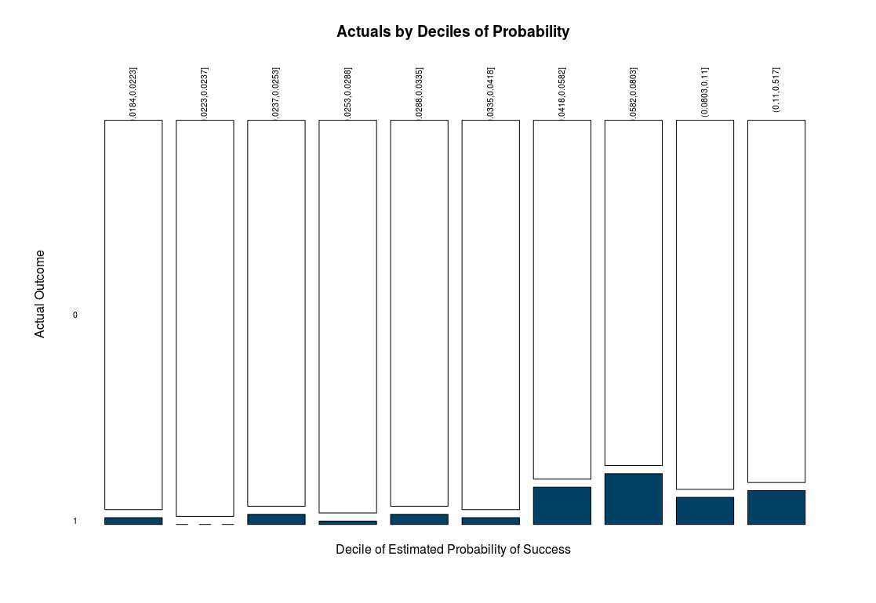
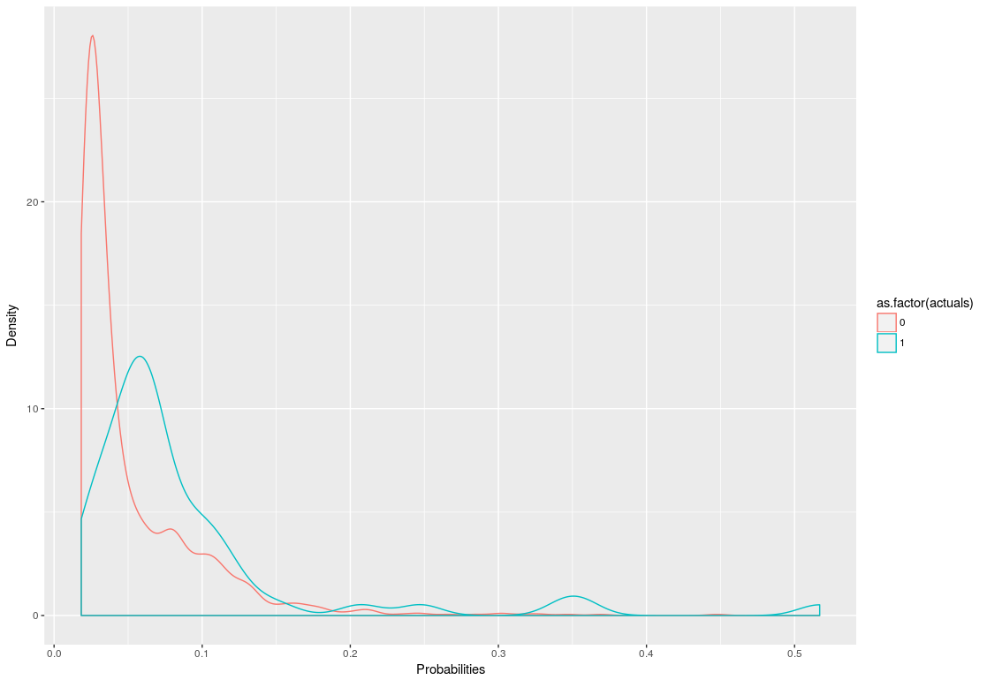

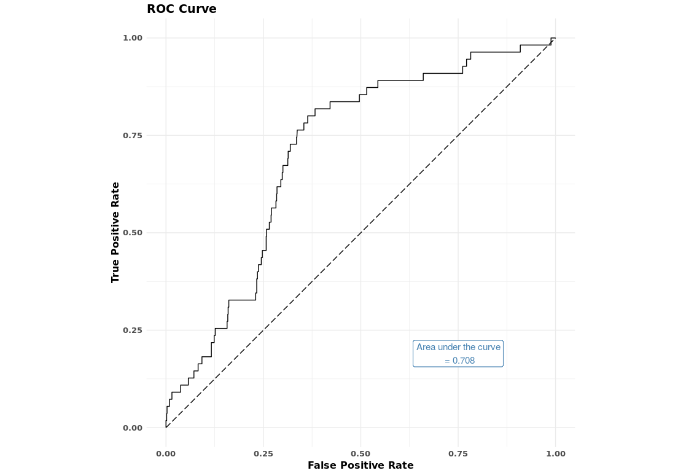
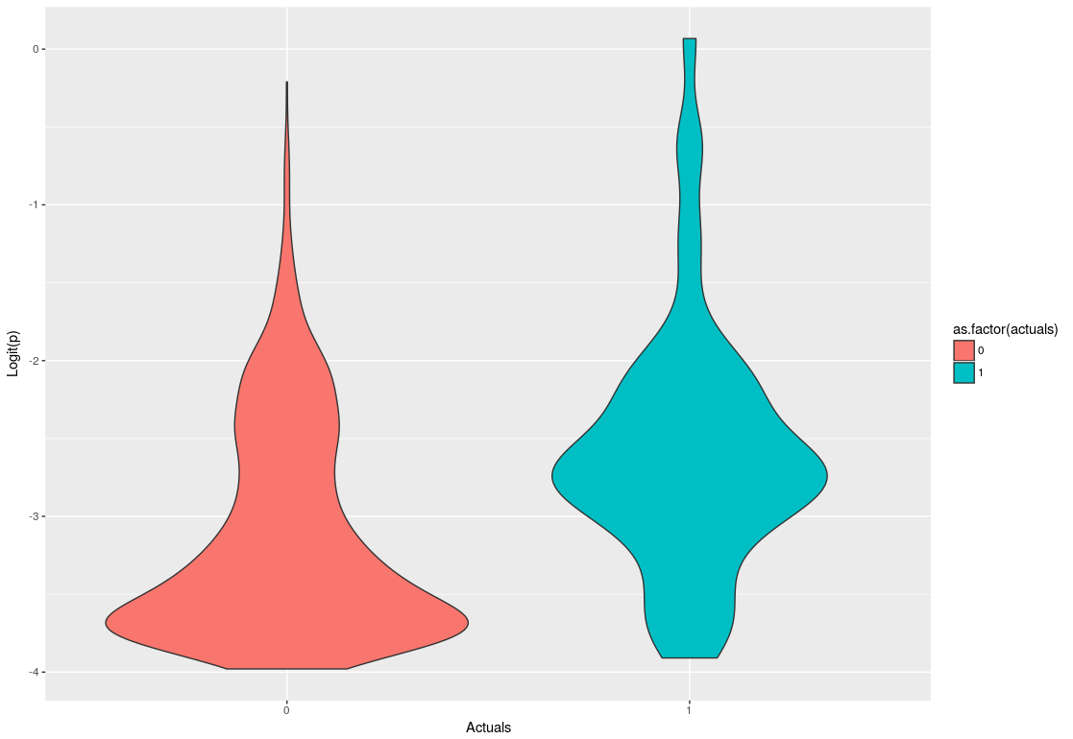

Feature Analysis
result_rank is one of the most important features
linear correlations between result_rank and predicted possibilities
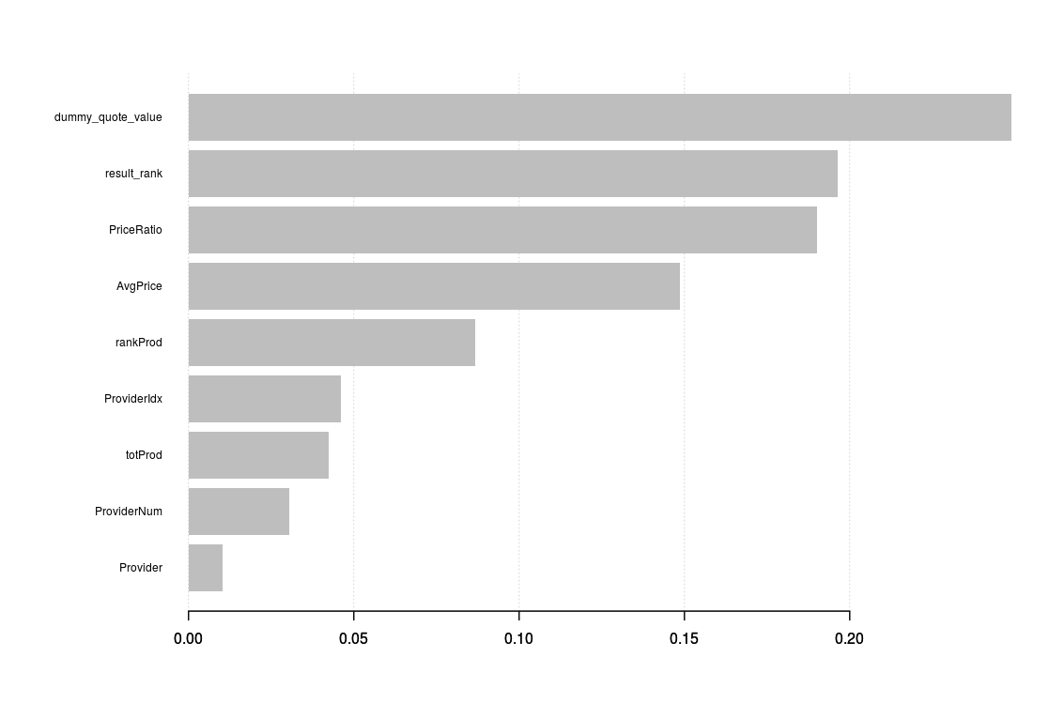
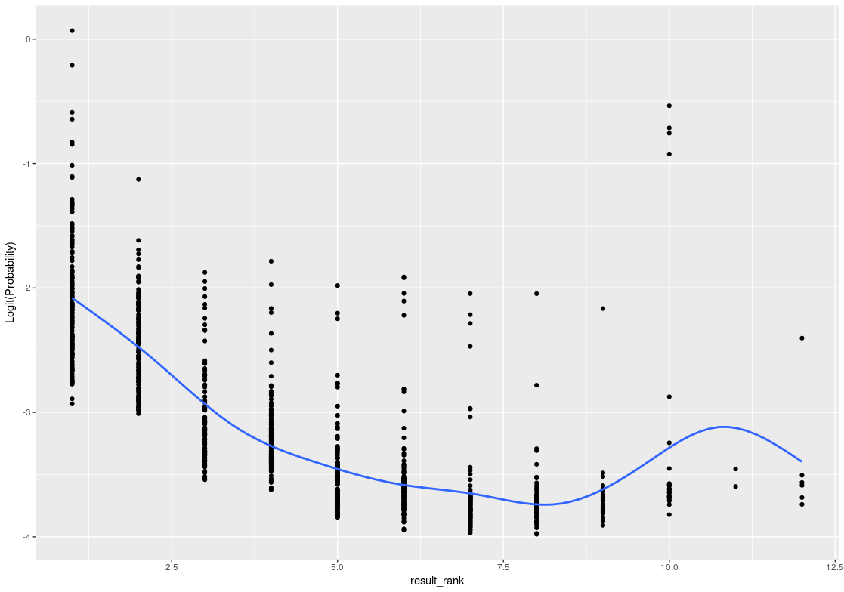

Current Issue
Low Specificity
Unbalanced target variable
Small dataset
 | noise
Further Improvement
More features:
 | Product hierarchy
 | Customer behaviour / personal information
 | Product details
 | Product / Bundle / Promotion details

CTR / Purchase predictions can be fed into next layer of models such as
 | Customer based ranking system
 | Product based ranking system
to optimise the rankings of product recommendations on the page
+
AB Testing & Fine tuning
 | Offline training
 | Online targeting

